Significance and sensitivity
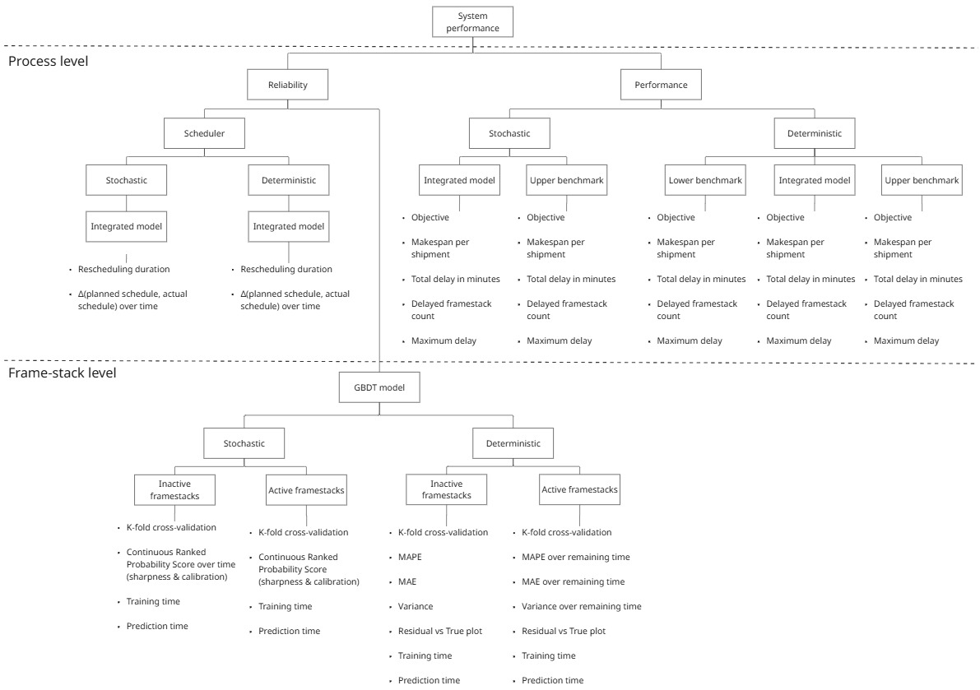
SIGNIFICANCE RUNS
OPTIMALITY - JAN 24 -> 30 runs
Simulation type | Objective |  |  |  |  |  |  |  |  |  | Avg. makespan per shipment (min) |  |  |  |  |  |  |  |  |  | Total delay (min) |  |  |  |  |  |  |  |  |  | Delayed frame-stack count |  |  |  |  |  |  |  |  |  | Maximum delay (min)
Runs -> | Run 1 | Run 2 | Run 3 | Run 4 | Run 5 | Run 6 | Run 7 | Run 8 | Run 9 | Run 10 | Run 1 | Run 2 | Run 3 | Run 4 | Run 5 | Run 6 | Run 7 | Run 8 | Run 9 | Run 10 | Run 1 | Run 2 | Run 3 | Run 4 | Run 5 | Run 6 | Run 7 | Run 8 | Run 9 | Run 10 | Run 1 | Run 2 | Run 3 | Run 4 | Run 5 | Run 6 | Run 7 | Run 8 | Run 9 | Run 10 | Run 1 | Run 2 | Run 3 | Run 4 | Run 5 | Run 6 | Run 7 | Run 8 | Run 9 | Run 10
Deterministic model implemented
Lower bound benchmark | -3.9590 | -4.5263 | -2.1904 | -2.6790 | -1.9844 | -1.8378 | -2.1571 | -4.4036 | -2.6044 | -3.5146 | 207.6000 | 205.7300 | 196.5500 | 201.9100 | 197.3600 | 193.4500 | 194.4500 | 226.0900 | 200.0900 | 210.0900 | 1525.0000 | 1621.0000 | 1241.0000 | 1467.0000 | 1239.0000 | 1124.0000 | 1220.0000 | 1655.0000 | 1310.0000 | 1531.0000 | 62.0000 | 65.0000 | 58.0000 | 57.0000 | 56.0000 | 59.0000 | 52.0000 | 66.0000 | 53.0000 | 63.0000 | 104.0000 | 80.0000 | 66.0000 | 61.0000 | 66.0000 | 90.0000 | 62.0000 | 95.0000 | 98.0000 | 97.0000
Model implemented | -0.8555 | -3.3483 | -2.2882 | -2.8070 | -2.9646 | -3.9053 | -2.4981 | -4.1304 | -3.9010 | -1.8234 | 197.2000 | 194.9100 | 196.6400 | 196.0000 | 201.4500 | 202.5500 | 194.7300 | 208.4500 | 224.9100 | 216.2700 | 1029.0000 | 1392.0000 | 1246.0000 | 1265.0000 | 1366.0000 | 1548.0000 | 1241.0000 | 1544.0000 | 1660.0000 | 1356.0000 | 49.0000 | 53.0000 | 57.0000 | 61.0000 | 61.0000 | 63.0000 | 54.0000 | 60.0000 | 61.0000 | 52.0000 | 99.0000 | 58.0000 | 64.0000 | 71.0000 | 70.0000 | 78.0000 | 99.0000 | 84.0000 | 90.0000 | 80.0000
Upper bound benchmark | 12.5200 | 9.6182 | 10.0160 | 9.2467 | 8.5716 | 7.4151 | 10.1499 | 7.8707 | 7.7797 | 10.3742 | 202.5000 | 206.5500 | 206.7300 | 206.4500 | 213.4500 | 211.8200 | 205.1800 | 221.5500 | 237.3600 | 220.5500 | 320.0000 | 441.0000 | 315.0000 | 308.0000 | 437.0000 | 489.0000 | 487.0000 | 572.0000 | 721.0000 | 436.0000 | 15.0000 | 21.0000 | 13.0000 | 19.0000 | 21.0000 | 19.0000 | 14.0000 | 23.0000 | 20.0000 | 15.0000 | 58.0000 | 60.0000 | 85.0000 | 66.0000 | 76.0000 | 60.0000 | 118.0000 | 75.0000 | 77.0000 | 70.0000

Stochastic model implemented
Lower bound benchmark | -3.9590 | -4.5263 | -2.1904 | -2.6790 | -1.9844 | -1.8378 | -2.1571 | -4.4036 | -2.6044 | -3.5146 | 207.6000 | 205.7300 | 196.5500 | 201.9100 | 197.3600 | 193.4500 | 194.4500 | 226.0900 | 200.0900 | 210.0900 | 1525.0000 | 1621.0000 | 1241.0000 | 1467.0000 | 1239.0000 | 1124.0000 | 1220.0000 | 1655.0000 | 1310.0000 | 1531.0000 | 62.0000 | 65.0000 | 58.0000 | 57.0000 | 56.0000 | 59.0000 | 52.0000 | 66.0000 | 53.0000 | 63.0000 | 104.0000 | 80.0000 | 66.0000 | 61.0000 | 66.0000 | 90.0000 | 62.0000 | 95.0000 | 98.0000 | 97.0000
Model implemented
Upper bound benchmark

SENSITIVITY ANALYSIS

Period_trigger = 3 -> 20 runs
Simulation type | Objective |  |  |  |  |  |  |  |  |  | Avg. makespan per shipment (min) |  |  |  |  |  |  |  |  |  | Total delay (min) |  |  |  |  |  |  |  |  |  | Delayed frame-stack count |  |  |  |  |  |  |  |  |  | Maximum delay (min)
Runs -> | Run 1 | Run 2 | Run 3 | Run 4 | Run 5 | Run 6 | Run 7 | Run 8 | Run 9 | Run 10 | Run 1 | Run 2 | Run 3 | Run 4 | Run 5 | Run 6 | Run 7 | Run 8 | Run 9 | Run 10 | Run 1 | Run 2 | Run 3 | Run 4 | Run 5 | Run 6 | Run 7 | Run 8 | Run 9 | Run 10 | Run 1 | Run 2 | Run 3 | Run 4 | Run 5 | Run 6 | Run 7 | Run 8 | Run 9 | Run 10 | Run 1 | Run 2 | Run 3 | Run 4 | Run 5 | Run 6 | Run 7 | Run 8 | Run 9 | Run 10
Deterministic model implemented
Lower bound benchmark
Model implemented
Upper bound benchmark

Stochastic model implemented
Lower bound benchmark
Model implemented
Upper bound benchmark

Period_trigger = 6 -> 20 runs
Simulation type | Objective |  |  |  |  |  |  |  |  |  | Avg. makespan per shipment (min) |  |  |  |  |  |  |  |  |  | Total delay (min) |  |  |  |  |  |  |  |  |  | Delayed frame-stack count |  |  |  |  |  |  |  |  |  | Maximum delay (min)
Runs -> | Run 1 | Run 2 | Run 3 | Run 4 | Run 5 | Run 6 | Run 7 | Run 8 | Run 9 | Run 10 | Run 1 | Run 2 | Run 3 | Run 4 | Run 5 | Run 6 | Run 7 | Run 8 | Run 9 | Run 10 | Run 1 | Run 2 | Run 3 | Run 4 | Run 5 | Run 6 | Run 7 | Run 8 | Run 9 | Run 10 | Run 1 | Run 2 | Run 3 | Run 4 | Run 5 | Run 6 | Run 7 | Run 8 | Run 9 | Run 10 | Run 1 | Run 2 | Run 3 | Run 4 | Run 5 | Run 6 | Run 7 | Run 8 | Run 9 | Run 10
Deterministic model implemented
Lower bound benchmark
Model implemented
Upper bound benchmark

Stochastic model implemented
Lower bound benchmark
Model implemented
Upper bound benchmark

Period_trigger = 12 -> 20 runs
Simulation type | Objective |  |  |  |  |  |  |  |  |  | Avg. makespan per shipment (min) |  |  |  |  |  |  |  |  |  | Total delay (min) |  |  |  |  |  |  |  |  |  | Delayed frame-stack count |  |  |  |  |  |  |  |  |  | Maximum delay (min)
Runs -> | Run 1 | Run 2 | Run 3 | Run 4 | Run 5 | Run 6 | Run 7 | Run 8 | Run 9 | Run 10 | Run 1 | Run 2 | Run 3 | Run 4 | Run 5 | Run 6 | Run 7 | Run 8 | Run 9 | Run 10 | Run 1 | Run 2 | Run 3 | Run 4 | Run 5 | Run 6 | Run 7 | Run 8 | Run 9 | Run 10 | Run 1 | Run 2 | Run 3 | Run 4 | Run 5 | Run 6 | Run 7 | Run 8 | Run 9 | Run 10 | Run 1 | Run 2 | Run 3 | Run 4 | Run 5 | Run 6 | Run 7 | Run 8 | Run 9 | Run 10
Deterministic model implemented
Lower bound benchmark
Model implemented
Upper bound benchmark

Stochastic model implemented
Lower bound benchmark
Model implemented
Upper bound benchmark

edd_fs_prio_weight = 0.1 -> 20 runs
Simulation type | Objective |  |  |  |  |  |  |  |  |  | Avg. makespan per shipment (min) |  |  |  |  |  |  |  |  |  | Total delay (min) |  |  |  |  |  |  |  |  |  | Delayed frame-stack count |  |  |  |  |  |  |  |  |  | Maximum delay (min)
Runs -> | Run 1 | Run 2 | Run 3 | Run 4 | Run 5 | Run 6 | Run 7 | Run 8 | Run 9 | Run 10 | Run 1 | Run 2 | Run 3 | Run 4 | Run 5 | Run 6 | Run 7 | Run 8 | Run 9 | Run 10 | Run 1 | Run 2 | Run 3 | Run 4 | Run 5 | Run 6 | Run 7 | Run 8 | Run 9 | Run 10 | Run 1 | Run 2 | Run 3 | Run 4 | Run 5 | Run 6 | Run 7 | Run 8 | Run 9 | Run 10 | Run 1 | Run 2 | Run 3 | Run 4 | Run 5 | Run 6 | Run 7 | Run 8 | Run 9 | Run 10
Deterministic model implemented
Lower bound benchmark
Model implemented
Upper bound benchmark

Stochastic model implemented
Lower bound benchmark
Model implemented
Upper bound benchmark

Period_trigger = 1.0 -> 20 runs
Simulation type | Objective |  |  |  |  |  |  |  |  |  | Avg. makespan per shipment (min) |  |  |  |  |  |  |  |  |  | Total delay (min) |  |  |  |  |  |  |  |  |  | Delayed frame-stack count |  |  |  |  |  |  |  |  |  | Maximum delay (min)
Runs -> | Run 1 | Run 2 | Run 3 | Run 4 | Run 5 | Run 6 | Run 7 | Run 8 | Run 9 | Run 10 | Run 1 | Run 2 | Run 3 | Run 4 | Run 5 | Run 6 | Run 7 | Run 8 | Run 9 | Run 10 | Run 1 | Run 2 | Run 3 | Run 4 | Run 5 | Run 6 | Run 7 | Run 8 | Run 9 | Run 10 | Run 1 | Run 2 | Run 3 | Run 4 | Run 5 | Run 6 | Run 7 | Run 8 | Run 9 | Run 10 | Run 1 | Run 2 | Run 3 | Run 4 | Run 5 | Run 6 | Run 7 | Run 8 | Run 9 | Run 10
Deterministic model implemented
Lower bound benchmark
Model implemented
Upper bound benchmark

Stochastic model implemented
Lower bound benchmark
Model implemented
Upper bound benchmark

Period_trigger = 5.0 -> 20 runs
Simulation type | Objective |  |  |  |  |  |  |  |  |  | Avg. makespan per shipment (min) |  |  |  |  |  |  |  |  |  | Total delay (min) |  |  |  |  |  |  |  |  |  | Delayed frame-stack count |  |  |  |  |  |  |  |  |  | Maximum delay (min)
Runs -> | Run 1 | Run 2 | Run 3 | Run 4 | Run 5 | Run 6 | Run 7 | Run 8 | Run 9 | Run 10 | Run 1 | Run 2 | Run 3 | Run 4 | Run 5 | Run 6 | Run 7 | Run 8 | Run 9 | Run 10 | Run 1 | Run 2 | Run 3 | Run 4 | Run 5 | Run 6 | Run 7 | Run 8 | Run 9 | Run 10 | Run 1 | Run 2 | Run 3 | Run 4 | Run 5 | Run 6 | Run 7 | Run 8 | Run 9 | Run 10 | Run 1 | Run 2 | Run 3 | Run 4 | Run 5 | Run 6 | Run 7 | Run 8 | Run 9 | Run 10
Deterministic model implemented
Lower bound benchmark
Model implemented
Upper bound benchmark

Stochastic model implemented
Lower bound benchmark
Model implemented
Upper bound benchmark

K = 3 -> 10 runs
Simulation type | Objective |  |  |  |  |  |  |  |  |  | Avg. makespan per shipment (min) |  |  |  |  |  |  |  |  |  | Total delay (min) |  |  |  |  |  |  |  |  |  | Delayed frame-stack count |  |  |  |  |  |  |  |  |  | Maximum delay (min)
Runs -> | Run 1 | Run 2 | Run 3 | Run 4 | Run 5 | Run 6 | Run 7 | Run 8 | Run 9 | Run 10 | Run 1 | Run 2 | Run 3 | Run 4 | Run 5 | Run 6 | Run 7 | Run 8 | Run 9 | Run 10 | Run 1 | Run 2 | Run 3 | Run 4 | Run 5 | Run 6 | Run 7 | Run 8 | Run 9 | Run 10 | Run 1 | Run 2 | Run 3 | Run 4 | Run 5 | Run 6 | Run 7 | Run 8 | Run 9 | Run 10 | Run 1 | Run 2 | Run 3 | Run 4 | Run 5 | Run 6 | Run 7 | Run 8 | Run 9 | Run 10
Deterministic model implemented
Lower bound benchmark | - | - | - | - | - | - | - | - | - | - | - | - | - | - | - | - | - | - | - | - | - | - | - | - | - | - | - | - | - | - | - | - | - | - | - | - | - | - | - | - | - | - | - | - | - | - | - | - | - | -
Model implemented | - | - | - | - | - | - | - | - | - | - | - | - | - | - | - | - | - | - | - | - | - | - | - | - | - | - | - | - | - | - | - | - | - | - | - | - | - | - | - | - | - | - | - | - | - | - | - | - | - | -
Upper bound benchmark | - | - | - | - | - | - | - | - | - | - | - | - | - | - | - | - | - | - | - | - | - | - | - | - | - | - | - | - | - | - | - | - | - | - | - | - | - | - | - | - | - | - | - | - | - | - | - | - | - | -

Stochastic model implemented
Lower bound benchmark
Model implemented
Upper bound benchmark

K = 10 -> 10 runs
Simulation type | Objective |  |  |  |  |  |  |  |  |  | Avg. makespan per shipment (min) |  |  |  |  |  |  |  |  |  | Total delay (min) |  |  |  |  |  |  |  |  |  | Delayed frame-stack count |  |  |  |  |  |  |  |  |  | Maximum delay (min)
Runs -> | Run 1 | Run 2 | Run 3 | Run 4 | Run 5 | Run 6 | Run 7 | Run 8 | Run 9 | Run 10 | Run 1 | Run 2 | Run 3 | Run 4 | Run 5 | Run 6 | Run 7 | Run 8 | Run 9 | Run 10 | Run 1 | Run 2 | Run 3 | Run 4 | Run 5 | Run 6 | Run 7 | Run 8 | Run 9 | Run 10 | Run 1 | Run 2 | Run 3 | Run 4 | Run 5 | Run 6 | Run 7 | Run 8 | Run 9 | Run 10 | Run 1 | Run 2 | Run 3 | Run 4 | Run 5 | Run 6 | Run 7 | Run 8 | Run 9 | Run 10
Deterministic model implemented
Lower bound benchmark | - | - | - | - | - | - | - | - | - | - | - | - | - | - | - | - | - | - | - | - | - | - | - | - | - | - | - | - | - | - | - | - | - | - | - | - | - | - | - | - | - | - | - | - | - | - | - | - | - | -
Model implemented | - | - | - | - | - | - | - | - | - | - | - | - | - | - | - | - | - | - | - | - | - | - | - | - | - | - | - | - | - | - | - | - | - | - | - | - | - | - | - | - | - | - | - | - | - | - | - | - | - | -
Upper bound benchmark | - | - | - | - | - | - | - | - | - | - | - | - | - | - | - | - | - | - | - | - | - | - | - | - | - | - | - | - | - | - | - | - | - | - | - | - | - | - | - | - | - | - | - | - | - | - | - | - | - | -

Stochastic model implemented
Lower bound benchmark
Model implemented
Upper bound benchmark

K = 20 -> 10 runs
Simulation type | Objective |  |  |  |  |  |  |  |  |  | Avg. makespan per shipment (min) |  |  |  |  |  |  |  |  |  | Total delay (min) |  |  |  |  |  |  |  |  |  | Delayed frame-stack count |  |  |  |  |  |  |  |  |  | Maximum delay (min)
Runs -> | Run 1 | Run 2 | Run 3 | Run 4 | Run 5 | Run 6 | Run 7 | Run 8 | Run 9 | Run 10 | Run 1 | Run 2 | Run 3 | Run 4 | Run 5 | Run 6 | Run 7 | Run 8 | Run 9 | Run 10 | Run 1 | Run 2 | Run 3 | Run 4 | Run 5 | Run 6 | Run 7 | Run 8 | Run 9 | Run 10 | Run 1 | Run 2 | Run 3 | Run 4 | Run 5 | Run 6 | Run 7 | Run 8 | Run 9 | Run 10 | Run 1 | Run 2 | Run 3 | Run 4 | Run 5 | Run 6 | Run 7 | Run 8 | Run 9 | Run 10
Deterministic model implemented
Lower bound benchmark | - | - | - | - | - | - | - | - | - | - | - | - | - | - | - | - | - | - | - | - | - | - | - | - | - | - | - | - | - | - | - | - | - | - | - | - | - | - | - | - | - | - | - | - | - | - | - | - | - | -
Model implemented | - | - | - | - | - | - | - | - | - | - | - | - | - | - | - | - | - | - | - | - | - | - | - | - | - | - | - | - | - | - | - | - | - | - | - | - | - | - | - | - | - | - | - | - | - | - | - | - | - | -
Upper bound benchmark | - | - | - | - | - | - | - | - | - | - | - | - | - | - | - | - | - | - | - | - | - | - | - | - | - | - | - | - | - | - | - | - | - | - | - | - | - | - | - | - | - | - | - | - | - | - | - | - | - | -

Stochastic model implemented
Lower bound benchmark
Model implemented
Upper bound benchmark

Paper - results
OPTIMALITY - JAN 24
Simulation type | Objective | Avg. makespan per shipment (min) | Total delay (min) | Delayed frame-stack count | Maximum delay
Deterministic model implemented
Lower bound benchmark | -3,959 | 207.6 | 1525 | 62 | 104
Model implemented | -0.8555 | 197.2 | 1029 | 49 | 99
Upper bound benchmark | 12.52 | 202.5 | 320 | 15 | 58

Stochastic model implemented
Lower bound benchmark | -3,959 | 207.6 | 1525 | 62 | 104
Model implemented
Upper bound benchmark

RELIABILITY GBDT model
Model type | RMSE (min) | MAE (min) | MAPE (%) | Residual variance (min^2) | CRPS (min) | Training time (sec) | Prediction time (sec)
Deterministic model
GBDT model (active frame-stacks) | 34.97 | 26.52 | 58.19 | 1222.62 | - | 14.03 | 0.1047
GBDT model (inactive frame-stacks) | 46.81 | 35.71 | 18.25 | 2191.55 | - | 0.88 | 0.1039
Mean baseline (inactive frame-stacks) | 49.38 | 38.65 | 19.87 | 2438.27 | - | - | -

Stochastic model
GBDT model (active frame-stacks) | 34.67 | 26.74 | 59.58 | 1197.35 | 39.76 | 3911.46 | 0.0350
GBDT model (inactive frame-stacks) | 46.45 | 35.14 | 17.92 | 2157.73 | 54.76 | 41.26 | 0.0307
Mean baseline (inactive frame-stacks) | 49.38 | 38.65 | 19.87 | 2438.27 | 69.25 | - | -

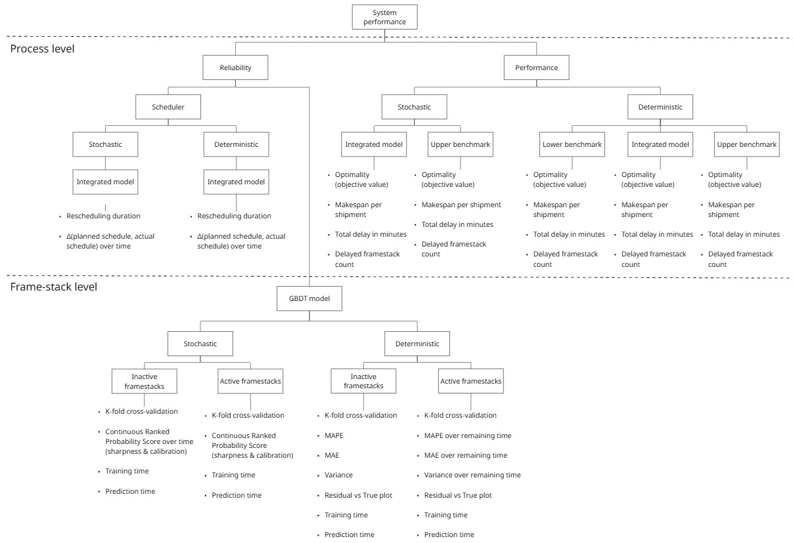
RELIABILITY GBDT model (k-fold cross validation)
Model type | RMSE (min) | MAE (min) | MAPE (%) | CRPS (min)
Deterministic model
GBDT model (active frame-stacks) | 33.74 ± 0.11 | 24.91 ± 0.06 | 54.31 ± 0.27 | -
GBDT model (inactive frame-stacks) | 53.21 ± 0.59 | 39.87 ± 0.18 | 20.24 ± 0.10 | -

Stochastic model
GBDT model (active frame-stacks) | 37.45±0.07 | 27.94±0.09 | 59.53±0.26 | 39.96±0.043
GBDT model (inactive frame-stacks) | 54.84±0.41 | 40.68±0.34 | 20.67±0.15 | 57.97±0.10

